Sheet1
Reduction factor on CO2 | geo Region |  |  |  |  |  |  |  |  | Check
50% | 1 |  |  | Total CO2 emissions avoided | 140.93770127 | thousand tonnes |  |  | Total 1 week february for Italy | 372.02264578 | thousand tonnes | Domestic 1 wk ferbruary | 48.135509916
35% | 2 |  |  | Malpensa | 32.368983368 | thousand tonnes |  |  | Total 1 year (if based on February) | 19.397260751 | Mt | Total 1 year domestic (if based on February 2019) | 2.509785487 | Mt (2019)
25% | 3 |  |  | Fiumicino | 33.129601032 | thousand tonnes |  |  | Total 1 year departing (if based on february) | 9.6986303754 | Mt |  | 2.24 | UNFCCC (2017)
50% | domestic
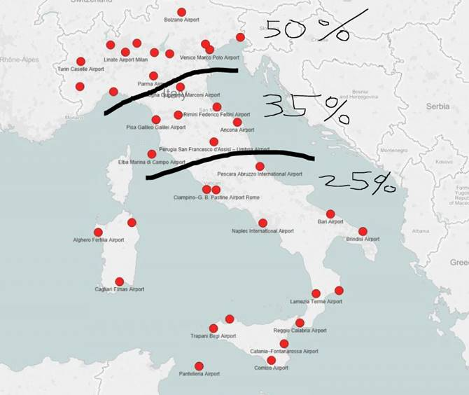
Italian Airport |  |  | IATA | Geographical Region | emissions from international aviation involving the airport (departing + arriving) | emissions from domestic aviation involving this airport ( departing + arriving) has to be halved not to be double counted in the total) | Emission avoided (per airport) effect of cut in departing + arriving | Emission avoided (per airport with domestic halved to avoid double counting domestic in total)
Crotone Airport | EU | IT | CRV | 3 | 0 | 118214.19349 | 59107.096747 | 29553.548374
Bari Karol Wojtyla Airport | EU | IT | BRI | 3 | 7558515.3268 | 4563104.5911 | 4171181.1273 | 3030404.9795
Foggia "Gino Lisa" Airport | EU | IT | FOG | 3 | 0 | 0 | 0 | 0
Pescara International Airport | EU | IT | PSR | 3 | 700681.4947 | 454030.77672 | 402185.76204 | 288678.06786
Brindisi  Salento Airport | EU | IT | BDS | 3 | 2997025.7514 | 2567984.4062 | 2033248.6409 | 1391252.5394
Lamezia Terme Airport | EU | IT | SUF | 3 | 3858786.474 | 3470076.7197 | 2699734.9783 | 1832215.7984
Catania-Fontanarossa Airport | EU | IT | CTA | 3 | 14208467.623 | 10916154.101 | 9010193.9562 | 6281155.431
Lampedusa Airport | EU | IT | LMP | 3 | 0 | 0 | 0 | 0
Pantelleria Airport | EU | IT | PNL | 3 | 0 | 0 | 0 | 0
FalconeBorsellino Airport | EU | IT | PMO | 3 | 7973975.4987 | 6268592.783 | 5127790.2662 | 3560642.0704
Reggio Calabria Airport | EU | IT | REG | 3 | 820855.78731 | 820855.78731 | 615641.84048 | 410427.89366
Vincenzo Florio Airport Trapani-Birgi | EU | IT | TPS | 3 | 756202.13426 | 756202.13426 | 567151.60069 | 378101.06713
Alghero-Fertilia Airport | EU | IT | AHO | 3 | 1041056.3118 | 938033.90885 | 729281.03237 | 494772.55515
Cagliari Elmas Airport | EU | IT | CAG | 3 | 4880111.6389 | 3612203.116 | 3026129.4677 | 2123078.6887
Olbia Costa Smeralda Airport | EU | IT | OLB | 3 | 708014.06241 | 774205.19757 | 564106.11439 | 370554.815
Tortolì Airport | EU | IT | TTB | 3 | 0 | 0 | 0 | 0
Malpensa International Airport | EU | IT | MXP | 1 | 58329191.507 | 6408775.2286 | 32368983.368 | 30766789.561
Il Caravaggio International Airport | EU | IT | BGY | 1 | 20158443.945 | 4434164.5361 | 12296304.241 | 11187763.107
Turin Airport | EU | IT | TRN | 1 | 7984156.3675 | 3601747.3007 | 5792951.8341 | 4892515.0089
Villanova D'Albenga International Airport | EU | IT | ALL | 1 | 0 | 0 | 0 | 0
Genoa Cristoforo Colombo Airport | EU | IT | GOA | 1 | 1554985.9896 | 1031103.773 | 1293044.8813 | 1035268.9381
Milano Linate Airport | EU | IT | LIN | 1 | 17623058.299 | 10095423.629 | 13859240.964 | 11335385.057
Parma Airport | EU | IT | PMF | 1 | 67899.928886 | 49249.908305 | 58574.918596 | 46262.441519
Aosta Airport | EU | IT | AOT | 1 | 0 | 0 | 0 | 0
Cuneo International Airport | EU | IT | CUF | 1 | 114816.64191 | 72605.24484 | 93710.943374 | 75559.632164
Bolzano Airport | EU | IT | BZO | 1 | 0 | 0 | 0 | 0
Bologna Guglielmo Marconi Airport | EU | IT | BLQ | 2 | 14976448.271 | 2871120.4448 | 6677317.1173 | 5959537.0061
Treviso-Sant'Angelo Airport | EU | IT | TSF | 1 | 5447266.6729 | 1657909.8279 | 3552588.2504 | 3138110.7935
Forlì Airport | EU | IT | FRL | 2 | 0 | 0 | 0 | 0
Brescia Airport | EU | IT | VBS | 1 | 315798.49321 | 427292.72064 | 371545.60692 | 264722.42676
TriesteFriuli Venezia Giulia Airport | EU | IT | TRS | 1 | 1346392.7299 | 878468.78103 | 1112430.7555 | 892813.5602
Federico Fellini International Airport | EU | IT | RMI | 2 | 75244.774444 | 0 | 26335.671055 | 26335.671055
Verona Villafranca Airport | EU | IT | VRN | 1 | 3422281.4956 | 1697951.3608 | 2560116.4282 | 2135628.588
Ancona Falconara Airport | EU | IT | AOI | 2 | 516795.10441 | 90410.499044 | 226083.53607 | 203480.9113
Venice Marco Polo Airport | EU | IT | VCE | 1 | 17062043.51 | 2211028.9891 | 9636536.2494 | 9083779.0021
CiampinoG. B. Pastine International Airport | EU | IT | CIA | 3 | 10887205.818 | 137287.76876 | 2790445.3389 | 2756123.3968
Leonardo da VinciFiumicino Airport | EU | IT | FCO | 3 | 96362246.741 | 18078078.693 | 33129601.032 | 28610081.358
Salerno Costa d'Amalfi Airport | EU | IT | QSR | 3 | 0 | 0 | 0 | 0
Marina Di Campo Airport | EU | IT | EBA | 2 | 0 | 0 | 0 | 0
Naples International Airport | EU | IT | NAP | 3 | 12291871.065 | 4969750.5015 | 5557843.0171 | 4315405.3917
Pisa International Airport | EU | IT | PSA | 2 | 5867646.8428 | 1799282.2544 | 2953317.5222 | 2503496.9586
Peretola Airport | EU | IT | FLR | 2 | 3784770.6711 | 461985.00636 | 1555662.2381 | 1440165.9865
Perugia San Francesco d'Assisi  Umbria International Airport | EU | IT | PEG | 2 | 194878.88928 | 37725.649058 | 87070.435777 | 77639.023512

